Q Control
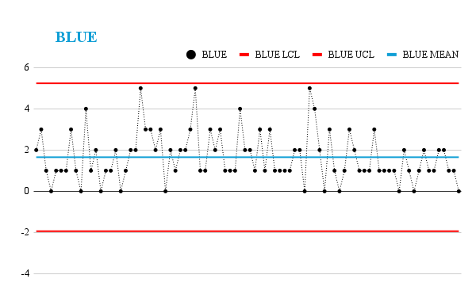
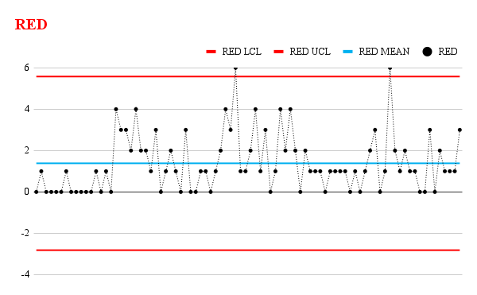
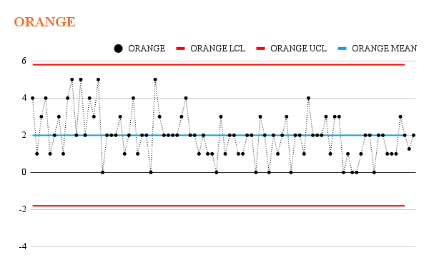
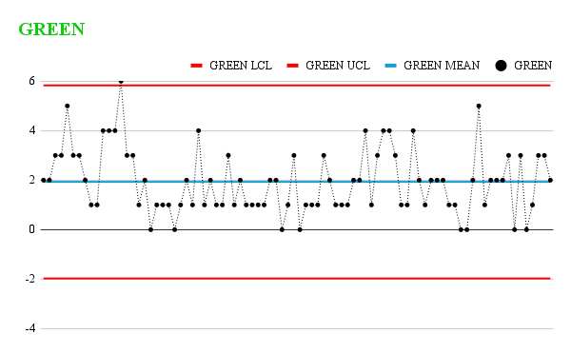
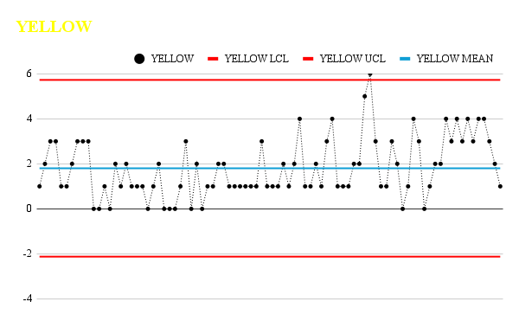
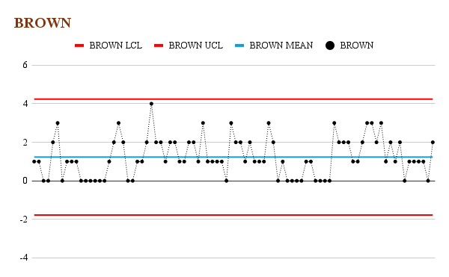
Records | BLUE | RED | ORANGE | YELLOW | GREEN | BROWN |  | BLUE LCL | BLUE UCL | BLUE MEAN | RED LCL | RED UCL | RED MEAN | ORANGE LCL | ORANGE UCL | ORANGE MEAN | YELLOW LCL | YELLOW UCL | YELLOW MEAN | GREEN LCL | GREEN UCL | GREEN MEAN | BROWN LCL | BROWN UCL | BROWN UCL
Sample 1 | 2 | 0 | 4 | 1 | 2 | 1 | 10 | -1.9360923512 | 5.2384179326 | 1.6511627907 | -2.8129652747 | 5.5804071352 | 1.3837209302 | -1.7947331922 | 5.7947331922 | 2 | -2.1245888097 | 5.7292399725 | 1.8023255814 | -1.9688360458 | 5.8293011621 | 1.9302325581 | -1.7735915082 | 4.2387077873 | 1.2325581395
Sample 2 | 3 | 1 | 1 | 2 | 2 | 1 | 10 | -1.9360923512 | 5.2384179326 | 1.6511627907 | -2.8129652747 | 5.5804071352 | 1.3837209302 | -1.7947331922 | 5.7947331922 | 2 | -2.1245888097 | 5.7292399725 | 1.8023255814 | -1.9688360458 | 5.8293011621 | 1.9302325581 | -1.7735915082 | 4.2387077873 | 1.2325581395
Sample 3 | 1 | 0 | 3 | 3 | 3 | 0 | 10 | -1.9360923512 | 5.2384179326 | 1.6511627907 | -2.8129652747 | 5.5804071352 | 1.3837209302 | -1.7947331922 | 5.7947331922 | 2 | -2.1245888097 | 5.7292399725 | 1.8023255814 | -1.9688360458 | 5.8293011621 | 1.9302325581 | -1.7735915082 | 4.2387077873 | 1.2325581395
Sample 4 | 0 | 0 | 4 | 3 | 3 | 0 | 10 | -1.9360923512 | 5.2384179326 | 1.6511627907 | -2.8129652747 | 5.5804071352 | 1.3837209302 | -1.7947331922 | 5.7947331922 | 2 | -2.1245888097 | 5.7292399725 | 1.8023255814 | -1.9688360458 | 5.8293011621 | 1.9302325581 | -1.7735915082 | 4.2387077873 | 1.2325581395
Sample 5 | 1 | 0 | 1 | 1 | 5 | 2 | 10 | -1.9360923512 | 5.2384179326 | 1.6511627907 | -2.8129652747 | 5.5804071352 | 1.3837209302 | -1.7947331922 | 5.7947331922 | 2 | -2.1245888097 | 5.7292399725 | 1.8023255814 | -1.9688360458 | 5.8293011621 | 1.9302325581 | -1.7735915082 | 4.2387077873 | 1.2325581395
Sample 6 | 1 | 0 | 2 | 1 | 3 | 3 | 10 | -1.9360923512 | 5.2384179326 | 1.6511627907 | -2.8129652747 | 5.5804071352 | 1.3837209302 | -1.7947331922 | 5.7947331922 | 2 | -2.1245888097 | 5.7292399725 | 1.8023255814 | -1.9688360458 | 5.8293011621 | 1.9302325581 | -1.7735915082 | 4.2387077873 | 1.2325581395
Sample 7 | 1 | 1 | 3 | 2 | 3 | 0 | 10 | -1.9360923512 | 5.2384179326 | 1.6511627907 | -2.8129652747 | 5.5804071352 | 1.3837209302 | -1.7947331922 | 5.7947331922 | 2 | -2.1245888097 | 5.7292399725 | 1.8023255814 | -1.9688360458 | 5.8293011621 | 1.9302325581 | -1.7735915082 | 4.2387077873 | 1.2325581395
Sample 8 | 3 | 0 | 1 | 3 | 2 | 1 | 10 | -1.9360923512 | 5.2384179326 | 1.6511627907 | -2.8129652747 | 5.5804071352 | 1.3837209302 | -1.7947331922 | 5.7947331922 | 2 | -2.1245888097 | 5.7292399725 | 1.8023255814 | -1.9688360458 | 5.8293011621 | 1.9302325581 | -1.7735915082 | 4.2387077873 | 1.2325581395
Sample 9 | 1 | 0 | 4 | 3 | 1 | 1 | 10 | -1.9360923512 | 5.2384179326 | 1.6511627907 | -2.8129652747 | 5.5804071352 | 1.3837209302 | -1.7947331922 | 5.7947331922 | 2 | -2.1245888097 | 5.7292399725 | 1.8023255814 | -1.9688360458 | 5.8293011621 | 1.9302325581 | -1.7735915082 | 4.2387077873 | 1.2325581395
Sample 10 | 0 | 0 | 5 | 3 | 1 | 1 | 10 | -1.9360923512 | 5.2384179326 | 1.6511627907 | -2.8129652747 | 5.5804071352 | 1.3837209302 | -1.7947331922 | 5.7947331922 | 2 | -2.1245888097 | 5.7292399725 | 1.8023255814 | -1.9688360458 | 5.8293011621 | 1.9302325581 | -1.7735915082 | 4.2387077873 | 1.2325581395
Sample 11 | 4 | 0 | 2 | 0 | 4 | 0 | 10 | -1.9360923512 | 5.2384179326 | 1.6511627907 | -2.8129652747 | 5.5804071352 | 1.3837209302 | -1.7947331922 | 5.7947331922 | 2 | -2.1245888097 | 5.7292399725 | 1.8023255814 | -1.9688360458 | 5.8293011621 | 1.9302325581 | -1.7735915082 | 4.2387077873 | 1.2325581395
Sample 12 | 1 | 0 | 5 | 0 | 4 | 0 | 10 | -1.9360923512 | 5.2384179326 | 1.6511627907 | -2.8129652747 | 5.5804071352 | 1.3837209302 | -1.7947331922 | 5.7947331922 | 2 | -2.1245888097 | 5.7292399725 | 1.8023255814 | -1.9688360458 | 5.8293011621 | 1.9302325581 | -1.7735915082 | 4.2387077873 | 1.2325581395
Sample 13 | 2 | 1 | 2 | 1 | 4 | 0 | 10 | -1.9360923512 | 5.2384179326 | 1.6511627907 | -2.8129652747 | 5.5804071352 | 1.3837209302 | -1.7947331922 | 5.7947331922 | 2 | -2.1245888097 | 5.7292399725 | 1.8023255814 | -1.9688360458 | 5.8293011621 | 1.9302325581 | -1.7735915082 | 4.2387077873 | 1.2325581395
Sample 14 | 0 | 0 | 4 | 0 | 6 | 0 | 10 | -1.9360923512 | 5.2384179326 | 1.6511627907 | -2.8129652747 | 5.5804071352 | 1.3837209302 | -1.7947331922 | 5.7947331922 | 2 | -2.1245888097 | 5.7292399725 | 1.8023255814 | -1.9688360458 | 5.8293011621 | 1.9302325581 | -1.7735915082 | 4.2387077873 | 1.2325581395
Sample 15 | 1 | 1 | 3 | 2 | 3 | 0 | 10 | -1.9360923512 | 5.2384179326 | 1.6511627907 | -2.8129652747 | 5.5804071352 | 1.3837209302 | -1.7947331922 | 5.7947331922 | 2 | -2.1245888097 | 5.7292399725 | 1.8023255814 | -1.9688360458 | 5.8293011621 | 1.9302325581 | -1.7735915082 | 4.2387077873 | 1.2325581395
Sample 16 | 1 | 0 | 5 | 1 | 3 | 0 | 10 | -1.9360923512 | 5.2384179326 | 1.6511627907 | -2.8129652747 | 5.5804071352 | 1.3837209302 | -1.7947331922 | 5.7947331922 | 2 | -2.1245888097 | 5.7292399725 | 1.8023255814 | -1.9688360458 | 5.8293011621 | 1.9302325581 | -1.7735915082 | 4.2387077873 | 1.2325581395
Sample 17 | 2 | 4 | 0 | 2 | 1 | 1 | 10 | -1.9360923512 | 5.2384179326 | 1.6511627907 | -2.8129652747 | 5.5804071352 | 1.3837209302 | -1.7947331922 | 5.7947331922 | 2 | -2.1245888097 | 5.7292399725 | 1.8023255814 | -1.9688360458 | 5.8293011621 | 1.9302325581 | -1.7735915082 | 4.2387077873 | 1.2325581395
Sample 18 | 0 | 3 | 2 | 1 | 2 | 2 | 10 | -1.9360923512 | 5.2384179326 | 1.6511627907 | -2.8129652747 | 5.5804071352 | 1.3837209302 | -1.7947331922 | 5.7947331922 | 2 | -2.1245888097 | 5.7292399725 | 1.8023255814 | -1.9688360458 | 5.8293011621 | 1.9302325581 | -1.7735915082 | 4.2387077873 | 1.2325581395
Sample 19 | 1 | 3 | 2 | 1 | 0 | 3 | 10 | -1.9360923512 | 5.2384179326 | 1.6511627907 | -2.8129652747 | 5.5804071352 | 1.3837209302 | -1.7947331922 | 5.7947331922 | 2 | -2.1245888097 | 5.7292399725 | 1.8023255814 | -1.9688360458 | 5.8293011621 | 1.9302325581 | -1.7735915082 | 4.2387077873 | 1.2325581395
Sample 20 | 2 | 2 | 2 | 1 | 1 | 2 | 10 | -1.9360923512 | 5.2384179326 | 1.6511627907 | -2.8129652747 | 5.5804071352 | 1.3837209302 | -1.7947331922 | 5.7947331922 | 2 | -2.1245888097 | 5.7292399725 | 1.8023255814 | -1.9688360458 | 5.8293011621 | 1.9302325581 | -1.7735915082 | 4.2387077873 | 1.2325581395
Sample 21 | 2 | 4 | 3 | 0 | 1 | 0 | 10 | -1.9360923512 | 5.2384179326 | 1.6511627907 | -2.8129652747 | 5.5804071352 | 1.3837209302 | -1.7947331922 | 5.7947331922 | 2 | -2.1245888097 | 5.7292399725 | 1.8023255814 | -1.9688360458 | 5.8293011621 | 1.9302325581 | -1.7735915082 | 4.2387077873 | 1.2325581395
Sample 22 | 5 | 2 | 1 | 1 | 1 | 0 | 10 | -1.9360923512 | 5.2384179326 | 1.6511627907 | -2.8129652747 | 5.5804071352 | 1.3837209302 | -1.7947331922 | 5.7947331922 | 2 | -2.1245888097 | 5.7292399725 | 1.8023255814 | -1.9688360458 | 5.8293011621 | 1.9302325581 | -1.7735915082 | 4.2387077873 | 1.2325581395
Sample 23 | 3 | 2 | 2 | 2 | 0 | 1 | 10 | -1.9360923512 | 5.2384179326 | 1.6511627907 | -2.8129652747 | 5.5804071352 | 1.3837209302 | -1.7947331922 | 5.7947331922 | 2 | -2.1245888097 | 5.7292399725 | 1.8023255814 | -1.9688360458 | 5.8293011621 | 1.9302325581 | -1.7735915082 | 4.2387077873 | 1.2325581395
Sample 24 | 3 | 1 | 4 | 0 | 1 | 1 | 10 | -1.9360923512 | 5.2384179326 | 1.6511627907 | -2.8129652747 | 5.5804071352 | 1.3837209302 | -1.7947331922 | 5.7947331922 | 2 | -2.1245888097 | 5.7292399725 | 1.8023255814 | -1.9688360458 | 5.8293011621 | 1.9302325581 | -1.7735915082 | 4.2387077873 | 1.2325581395
Sample 25 | 2 | 3 | 1 | 0 | 2 | 2 | 10 | -1.9360923512 | 5.2384179326 | 1.6511627907 | -2.8129652747 | 5.5804071352 | 1.3837209302 | -1.7947331922 | 5.7947331922 | 2 | -2.1245888097 | 5.7292399725 | 1.8023255814 | -1.9688360458 | 5.8293011621 | 1.9302325581 | -1.7735915082 | 4.2387077873 | 1.2325581395
Sample 26 | 3 | 0 | 2 | 0 | 1 | 4 | 10 | -1.9360923512 | 5.2384179326 | 1.6511627907 | -2.8129652747 | 5.5804071352 | 1.3837209302 | -1.7947331922 | 5.7947331922 | 2 | -2.1245888097 | 5.7292399725 | 1.8023255814 | -1.9688360458 | 5.8293011621 | 1.9302325581 | -1.7735915082 | 4.2387077873 | 1.2325581395
Sample 27 | 0 | 1 | 2 | 1 | 4 | 2 | 10 | -1.9360923512 | 5.2384179326 | 1.6511627907 | -2.8129652747 | 5.5804071352 | 1.3837209302 | -1.7947331922 | 5.7947331922 | 2 | -2.1245888097 | 5.7292399725 | 1.8023255814 | -1.9688360458 | 5.8293011621 | 1.9302325581 | -1.7735915082 | 4.2387077873 | 1.2325581395
Sample 28 | 2 | 2 | 0 | 3 | 1 | 2 | 10 | -1.9360923512 | 5.2384179326 | 1.6511627907 | -2.8129652747 | 5.5804071352 | 1.3837209302 | -1.7947331922 | 5.7947331922 | 2 | -2.1245888097 | 5.7292399725 | 1.8023255814 | -1.9688360458 | 5.8293011621 | 1.9302325581 | -1.7735915082 | 4.2387077873 | 1.2325581395
Sample 29 | 1 | 1 | 5 | 0 | 2 | 1 | 10 | -1.9360923512 | 5.2384179326 | 1.6511627907 | -2.8129652747 | 5.5804071352 | 1.3837209302 | -1.7947331922 | 5.7947331922 | 2 | -2.1245888097 | 5.7292399725 | 1.8023255814 | -1.9688360458 | 5.8293011621 | 1.9302325581 | -1.7735915082 | 4.2387077873 | 1.2325581395
Sample 30 | 2 | 0 | 3 | 2 | 1 | 2 | 10 | -1.9360923512 | 5.2384179326 | 1.6511627907 | -2.8129652747 | 5.5804071352 | 1.3837209302 | -1.7947331922 | 5.7947331922 | 2 | -2.1245888097 | 5.7292399725 | 1.8023255814 | -1.9688360458 | 5.8293011621 | 1.9302325581 | -1.7735915082 | 4.2387077873 | 1.2325581395
Sample 31 | 2 | 3 | 2 | 0 | 1 | 2 | 10 | -1.9360923512 | 5.2384179326 | 1.6511627907 | -2.8129652747 | 5.5804071352 | 1.3837209302 | -1.7947331922 | 5.7947331922 | 2 | -2.1245888097 | 5.7292399725 | 1.8023255814 | -1.9688360458 | 5.8293011621 | 1.9302325581 | -1.7735915082 | 4.2387077873 | 1.2325581395
Sample 32 | 3 | 0 | 2 | 1 | 3 | 1 | 10 | -1.9360923512 | 5.2384179326 | 1.6511627907 | -2.8129652747 | 5.5804071352 | 1.3837209302 | -1.7947331922 | 5.7947331922 | 2 | -2.1245888097 | 5.7292399725 | 1.8023255814 | -1.9688360458 | 5.8293011621 | 1.9302325581 | -1.7735915082 | 4.2387077873 | 1.2325581395
Sample 33 | 5 | 0 | 2 | 1 | 1 | 1 | 10 | -1.9360923512 | 5.2384179326 | 1.6511627907 | -2.8129652747 | 5.5804071352 | 1.3837209302 | -1.7947331922 | 5.7947331922 | 2 | -2.1245888097 | 5.7292399725 | 1.8023255814 | -1.9688360458 | 5.8293011621 | 1.9302325581 | -1.7735915082 | 4.2387077873 | 1.2325581395
Sample 34 | 1 | 1 | 2 | 2 | 2 | 2 | 10 | -1.9360923512 | 5.2384179326 | 1.6511627907 | -2.8129652747 | 5.5804071352 | 1.3837209302 | -1.7947331922 | 5.7947331922 | 2 | -2.1245888097 | 5.7292399725 | 1.8023255814 | -1.9688360458 | 5.8293011621 | 1.9302325581 | -1.7735915082 | 4.2387077873 | 1.2325581395
Sample 35 | 1 | 1 | 3 | 2 | 1 | 2 | 10 | -1.9360923512 | 5.2384179326 | 1.6511627907 | -2.8129652747 | 5.5804071352 | 1.3837209302 | -1.7947331922 | 5.7947331922 | 2 | -2.1245888097 | 5.7292399725 | 1.8023255814 | -1.9688360458 | 5.8293011621 | 1.9302325581 | -1.7735915082 | 4.2387077873 | 1.2325581395
Sample 36 | 3 | 0 | 4 | 1 | 1 | 1 | 10 | -1.9360923512 | 5.2384179326 | 1.6511627907 | -2.8129652747 | 5.5804071352 | 1.3837209302 | -1.7947331922 | 5.7947331922 | 2 | -2.1245888097 | 5.7292399725 | 1.8023255814 | -1.9688360458 | 5.8293011621 | 1.9302325581 | -1.7735915082 | 4.2387077873 | 1.2325581395
Sample 37 | 2 | 1 | 2 | 1 | 1 | 3 | 10 | -1.9360923512 | 5.2384179326 | 1.6511627907 | -2.8129652747 | 5.5804071352 | 1.3837209302 | -1.7947331922 | 5.7947331922 | 2 | -2.1245888097 | 5.7292399725 | 1.8023255814 | -1.9688360458 | 5.8293011621 | 1.9302325581 | -1.7735915082 | 4.2387077873 | 1.2325581395
Sample 38 | 3 | 2 | 2 | 1 | 1 | 1 | 10 | -1.9360923512 | 5.2384179326 | 1.6511627907 | -2.8129652747 | 5.5804071352 | 1.3837209302 | -1.7947331922 | 5.7947331922 | 2 | -2.1245888097 | 5.7292399725 | 1.8023255814 | -1.9688360458 | 5.8293011621 | 1.9302325581 | -1.7735915082 | 4.2387077873 | 1.2325581395
Sample 39 | 1 | 4 | 1 | 1 | 2 | 1 | 10 | -1.9360923512 | 5.2384179326 | 1.6511627907 | -2.8129652747 | 5.5804071352 | 1.3837209302 | -1.7947331922 | 5.7947331922 | 2 | -2.1245888097 | 5.7292399725 | 1.8023255814 | -1.9688360458 | 5.8293011621 | 1.9302325581 | -1.7735915082 | 4.2387077873 | 1.2325581395
Sample 40 | 1 | 3 | 2 | 1 | 2 | 1 | 10 | -1.9360923512 | 5.2384179326 | 1.6511627907 | -2.8129652747 | 5.5804071352 | 1.3837209302 | -1.7947331922 | 5.7947331922 | 2 | -2.1245888097 | 5.7292399725 | 1.8023255814 | -1.9688360458 | 5.8293011621 | 1.9302325581 | -1.7735915082 | 4.2387077873 | 1.2325581395
Sample 41 | 1 | 6 | 1 | 1 | 0 | 1 | 10 | -1.9360923512 | 5.2384179326 | 1.6511627907 | -2.8129652747 | 5.5804071352 | 1.3837209302 | -1.7947331922 | 5.7947331922 | 2 | -2.1245888097 | 5.7292399725 | 1.8023255814 | -1.9688360458 | 5.8293011621 | 1.9302325581 | -1.7735915082 | 4.2387077873 | 1.2325581395
Sample 42 | 4 | 1 | 1 | 3 | 1 | 0 | 10 | -1.9360923512 | 5.2384179326 | 1.6511627907 | -2.8129652747 | 5.5804071352 | 1.3837209302 | -1.7947331922 | 5.7947331922 | 2 | -2.1245888097 | 5.7292399725 | 1.8023255814 | -1.9688360458 | 5.8293011621 | 1.9302325581 | -1.7735915082 | 4.2387077873 | 1.2325581395
Sample 43 | 2 | 1 | 0 | 1 | 3 | 3 | 10 | -1.9360923512 | 5.2384179326 | 1.6511627907 | -2.8129652747 | 5.5804071352 | 1.3837209302 | -1.7947331922 | 5.7947331922 | 2 | -2.1245888097 | 5.7292399725 | 1.8023255814 | -1.9688360458 | 5.8293011621 | 1.9302325581 | -1.7735915082 | 4.2387077873 | 1.2325581395
Sample 44 | 2 | 2 | 3 | 1 | 0 | 2 | 10 | -1.9360923512 | 5.2384179326 | 1.6511627907 | -2.8129652747 | 5.5804071352 | 1.3837209302 | -1.7947331922 | 5.7947331922 | 2 | -2.1245888097 | 5.7292399725 | 1.8023255814 | -1.9688360458 | 5.8293011621 | 1.9302325581 | -1.7735915082 | 4.2387077873 | 1.2325581395
Sample 45 | 1 | 4 | 1 | 1 | 1 | 2 | 10 | -1.9360923512 | 5.2384179326 | 1.6511627907 | -2.8129652747 | 5.5804071352 | 1.3837209302 | -1.7947331922 | 5.7947331922 | 2 | -2.1245888097 | 5.7292399725 | 1.8023255814 | -1.9688360458 | 5.8293011621 | 1.9302325581 | -1.7735915082 | 4.2387077873 | 1.2325581395
Sample 46 | 3 | 1 | 2 | 2 | 1 | 1 | 10 | -1.9360923512 | 5.2384179326 | 1.6511627907 | -2.8129652747 | 5.5804071352 | 1.3837209302 | -1.7947331922 | 5.7947331922 | 2 | -2.1245888097 | 5.7292399725 | 1.8023255814 | -1.9688360458 | 5.8293011621 | 1.9302325581 | -1.7735915082 | 4.2387077873 | 1.2325581395
Sample 47 | 1 | 3 | 2 | 1 | 1 | 2 | 10 | -1.9360923512 | 5.2384179326 | 1.6511627907 | -2.8129652747 | 5.5804071352 | 1.3837209302 | -1.7947331922 | 5.7947331922 | 2 | -2.1245888097 | 5.7292399725 | 1.8023255814 | -1.9688360458 | 5.8293011621 | 1.9302325581 | -1.7735915082 | 4.2387077873 | 1.2325581395
Sample 48 | 3 | 0 | 1 | 2 | 3 | 1 | 10 | -1.9360923512 | 5.2384179326 | 1.6511627907 | -2.8129652747 | 5.5804071352 | 1.3837209302 | -1.7947331922 | 5.7947331922 | 2 | -2.1245888097 | 5.7292399725 | 1.8023255814 | -1.9688360458 | 5.8293011621 | 1.9302325581 | -1.7735915082 | 4.2387077873 | 1.2325581395
Sample 49 | 1 | 1 | 1 | 4 | 2 | 1 | 10 | -1.9360923512 | 5.2384179326 | 1.6511627907 | -2.8129652747 | 5.5804071352 | 1.3837209302 | -1.7947331922 | 5.7947331922 | 2 | -2.1245888097 | 5.7292399725 | 1.8023255814 | -1.9688360458 | 5.8293011621 | 1.9302325581 | -1.7735915082 | 4.2387077873 | 1.2325581395
Sample 50 | 1 | 4 | 2 | 1 | 1 | 1 | 10 | -1.9360923512 | 5.2384179326 | 1.6511627907 | -2.8129652747 | 5.5804071352 | 1.3837209302 | -1.7947331922 | 5.7947331922 | 2 | -2.1245888097 | 5.7292399725 | 1.8023255814 | -1.9688360458 | 5.8293011621 | 1.9302325581 | -1.7735915082 | 4.2387077873 | 1.2325581395
Sample 51 | 1 | 2 | 2 | 1 | 1 | 3 | 10 | -1.9360923512 | 5.2384179326 | 1.6511627907 | -2.8129652747 | 5.5804071352 | 1.3837209302 | -1.7947331922 | 5.7947331922 | 2 | -2.1245888097 | 5.7292399725 | 1.8023255814 | -1.9688360458 | 5.8293011621 | 1.9302325581 | -1.7735915082 | 4.2387077873 | 1.2325581395
Sample 52 | 1 | 4 | 0 | 2 | 1 | 2 | 10 | -1.9360923512 | 5.2384179326 | 1.6511627907 | -2.8129652747 | 5.5804071352 | 1.3837209302 | -1.7947331922 | 5.7947331922 | 2 | -2.1245888097 | 5.7292399725 | 1.8023255814 | -1.9688360458 | 5.8293011621 | 1.9302325581 | -1.7735915082 | 4.2387077873 | 1.2325581395
Sample 53 | 2 | 2 | 3 | 1 | 2 | 0 | 10 | -1.9360923512 | 5.2384179326 | 1.6511627907 | -2.8129652747 | 5.5804071352 | 1.3837209302 | -1.7947331922 | 5.7947331922 | 2 | -2.1245888097 | 5.7292399725 | 1.8023255814 | -1.9688360458 | 5.8293011621 | 1.9302325581 | -1.7735915082 | 4.2387077873 | 1.2325581395
Sample 54 | 2 | 0 | 2 | 3 | 2 | 1 | 10 | -1.9360923512 | 5.2384179326 | 1.6511627907 | -2.8129652747 | 5.5804071352 | 1.3837209302 | -1.7947331922 | 5.7947331922 | 2 | -2.1245888097 | 5.7292399725 | 1.8023255814 | -1.9688360458 | 5.8293011621 | 1.9302325581 | -1.7735915082 | 4.2387077873 | 1.2325581395
Sample 55 | 0 | 2 | 0 | 4 | 4 | 0 | 10 | -1.9360923512 | 5.2384179326 | 1.6511627907 | -2.8129652747 | 5.5804071352 | 1.3837209302 | -1.7947331922 | 5.7947331922 | 2 | -2.1245888097 | 5.7292399725 | 1.8023255814 | -1.9688360458 | 5.8293011621 | 1.9302325581 | -1.7735915082 | 4.2387077873 | 1.2325581395
Sample 56 | 5 | 1 | 2 | 1 | 1 | 0 | 10 | -1.9360923512 | 5.2384179326 | 1.6511627907 | -2.8129652747 | 5.5804071352 | 1.3837209302 | -1.7947331922 | 5.7947331922 | 2 | -2.1245888097 | 5.7292399725 | 1.8023255814 | -1.9688360458 | 5.8293011621 | 1.9302325581 | -1.7735915082 | 4.2387077873 | 1.2325581395
Sample 57 | 4 | 1 | 1 | 1 | 3 | 0 | 10 | -1.9360923512 | 5.2384179326 | 1.6511627907 | -2.8129652747 | 5.5804071352 | 1.3837209302 | -1.7947331922 | 5.7947331922 | 2 | -2.1245888097 | 5.7292399725 | 1.8023255814 | -1.9688360458 | 5.8293011621 | 1.9302325581 | -1.7735915082 | 4.2387077873 | 1.2325581395
Sample 58 | 2 | 1 | 2 | 1 | 4 | 0 | 10 | -1.9360923512 | 5.2384179326 | 1.6511627907 | -2.8129652747 | 5.5804071352 | 1.3837209302 | -1.7947331922 | 5.7947331922 | 2 | -2.1245888097 | 5.7292399725 | 1.8023255814 | -1.9688360458 | 5.8293011621 | 1.9302325581 | -1.7735915082 | 4.2387077873 | 1.2325581395
Sample 59 | 0 | 0 | 3 | 2 | 4 | 1 | 10 | -1.9360923512 | 5.2384179326 | 1.6511627907 | -2.8129652747 | 5.5804071352 | 1.3837209302 | -1.7947331922 | 5.7947331922 | 2 | -2.1245888097 | 5.7292399725 | 1.8023255814 | -1.9688360458 | 5.8293011621 | 1.9302325581 | -1.7735915082 | 4.2387077873 | 1.2325581395
Sample 60 | 3 | 1 | 0 | 2 | 3 | 1 | 10 | -1.9360923512 | 5.2384179326 | 1.6511627907 | -2.8129652747 | 5.5804071352 | 1.3837209302 | -1.7947331922 | 5.7947331922 | 2 | -2.1245888097 | 5.7292399725 | 1.8023255814 | -1.9688360458 | 5.8293011621 | 1.9302325581 | -1.7735915082 | 4.2387077873 | 1.2325581395
Sample 61 | 1 | 1 | 2 | 5 | 1 | 0 | 10 | -1.9360923512 | 5.2384179326 | 1.6511627907 | -2.8129652747 | 5.5804071352 | 1.3837209302 | -1.7947331922 | 5.7947331922 | 2 | -2.1245888097 | 5.7292399725 | 1.8023255814 | -1.9688360458 | 5.8293011621 | 1.9302325581 | -1.7735915082 | 4.2387077873 | 1.2325581395
Sample 62 | 0 | 1 | 2 | 6 | 1 | 0 | 10 | -1.9360923512 | 5.2384179326 | 1.6511627907 | -2.8129652747 | 5.5804071352 | 1.3837209302 | -1.7947331922 | 5.7947331922 | 2 | -2.1245888097 | 5.7292399725 | 1.8023255814 | -1.9688360458 | 5.8293011621 | 1.9302325581 | -1.7735915082 | 4.2387077873 | 1.2325581395
Sample 63 | 1 | 1 | 1 | 3 | 4 | 0 | 10 | -1.9360923512 | 5.2384179326 | 1.6511627907 | -2.8129652747 | 5.5804071352 | 1.3837209302 | -1.7947331922 | 5.7947331922 | 2 | -2.1245888097 | 5.7292399725 | 1.8023255814 | -1.9688360458 | 5.8293011621 | 1.9302325581 | -1.7735915082 | 4.2387077873 | 1.2325581395
Sample 64 | 3 | 0 | 4 | 1 | 2 | 0 | 10 | -1.9360923512 | 5.2384179326 | 1.6511627907 | -2.8129652747 | 5.5804071352 | 1.3837209302 | -1.7947331922 | 5.7947331922 | 2 | -2.1245888097 | 5.7292399725 | 1.8023255814 | -1.9688360458 | 5.8293011621 | 1.9302325581 | -1.7735915082 | 4.2387077873 | 1.2325581395
Sample 65 | 2 | 1 | 2 | 1 | 1 | 3 | 10 | -1.9360923512 | 5.2384179326 | 1.6511627907 | -2.8129652747 | 5.5804071352 | 1.3837209302 | -1.7947331922 | 5.7947331922 | 2 | -2.1245888097 | 5.7292399725 | 1.8023255814 | -1.9688360458 | 5.8293011621 | 1.9302325581 | -1.7735915082 | 4.2387077873 | 1.2325581395
Sample 66 | 1 | 0 | 2 | 3 | 2 | 2 | 10 | -1.9360923512 | 5.2384179326 | 1.6511627907 | -2.8129652747 | 5.5804071352 | 1.3837209302 | -1.7947331922 | 5.7947331922 | 2 | -2.1245888097 | 5.7292399725 | 1.8023255814 | -1.9688360458 | 5.8293011621 | 1.9302325581 | -1.7735915082 | 4.2387077873 | 1.2325581395
Sample 67 | 1 | 1 | 2 | 2 | 2 | 2 | 10 | -1.9360923512 | 5.2384179326 | 1.6511627907 | -2.8129652747 | 5.5804071352 | 1.3837209302 | -1.7947331922 | 5.7947331922 | 2 | -2.1245888097 | 5.7292399725 | 1.8023255814 | -1.9688360458 | 5.8293011621 | 1.9302325581 | -1.7735915082 | 4.2387077873 | 1.2325581395
Sample 68 | 1 | 2 | 3 | 0 | 2 | 2 | 10 | -1.9360923512 | 5.2384179326 | 1.6511627907 | -2.8129652747 | 5.5804071352 | 1.3837209302 | -1.7947331922 | 5.7947331922 | 2 | -2.1245888097 | 5.7292399725 | 1.8023255814 | -1.9688360458 | 5.8293011621 | 1.9302325581 | -1.7735915082 | 4.2387077873 | 1.2325581395
Sample 69 | 3 | 3 | 1 | 1 | 1 | 1 | 10 | -1.9360923512 | 5.2384179326 | 1.6511627907 | -2.8129652747 | 5.5804071352 | 1.3837209302 | -1.7947331922 | 5.7947331922 | 2 | -2.1245888097 | 5.7292399725 | 1.8023255814 | -1.9688360458 | 5.8293011621 | 1.9302325581 | -1.7735915082 | 4.2387077873 | 1.2325581395
Sample 70 | 1 | 0 | 3 | 4 | 1 | 1 | 10 | -1.9360923512 | 5.2384179326 | 1.6511627907 | -2.8129652747 | 5.5804071352 | 1.3837209302 | -1.7947331922 | 5.7947331922 | 2 | -2.1245888097 | 5.7292399725 | 1.8023255814 | -1.9688360458 | 5.8293011621 | 1.9302325581 | -1.7735915082 | 4.2387077873 | 1.2325581395
Sample 71 | 1 | 1 | 3 | 3 | 0 | 2 | 10 | -1.9360923512 | 5.2384179326 | 1.6511627907 | -2.8129652747 | 5.5804071352 | 1.3837209302 | -1.7947331922 | 5.7947331922 | 2 | -2.1245888097 | 5.7292399725 | 1.8023255814 | -1.9688360458 | 5.8293011621 | 1.9302325581 | -1.7735915082 | 4.2387077873 | 1.2325581395
Sample 72 | 1 | 6 | 0 | 0 | 0 | 3 | 10 | -1.9360923512 | 5.2384179326 | 1.6511627907 | -2.8129652747 | 5.5804071352 | 1.3837209302 | -1.7947331922 | 5.7947331922 | 2 | -2.1245888097 | 5.7292399725 | 1.8023255814 | -1.9688360458 | 5.8293011621 | 1.9302325581 | -1.7735915082 | 4.2387077873 | 1.2325581395
Sample 73 | 1 | 2 | 1 | 1 | 2 | 3 | 10 | -1.9360923512 | 5.2384179326 | 1.6511627907 | -2.8129652747 | 5.5804071352 | 1.3837209302 | -1.7947331922 | 5.7947331922 | 2 | -2.1245888097 | 5.7292399725 | 1.8023255814 | -1.9688360458 | 5.8293011621 | 1.9302325581 | -1.7735915082 | 4.2387077873 | 1.2325581395
Sample 74 | 0 | 1 | 0 | 2 | 5 | 2 | 10 | -1.9360923512 | 5.2384179326 | 1.6511627907 | -2.8129652747 | 5.5804071352 | 1.3837209302 | -1.7947331922 | 5.7947331922 | 2 | -2.1245888097 | 5.7292399725 | 1.8023255814 | -1.9688360458 | 5.8293011621 | 1.9302325581 | -1.7735915082 | 4.2387077873 | 1.2325581395
Sample 75 | 2 | 2 | 0 | 2 | 1 | 3 | 10 | -1.9360923512 | 5.2384179326 | 1.6511627907 | -2.8129652747 | 5.5804071352 | 1.3837209302 | -1.7947331922 | 5.7947331922 | 2 | -2.1245888097 | 5.7292399725 | 1.8023255814 | -1.9688360458 | 5.8293011621 | 1.9302325581 | -1.7735915082 | 4.2387077873 | 1.2325581395
Sample 76 | 1 | 1 | 1 | 4 | 2 | 1 | 10 | -1.9360923512 | 5.2384179326 | 1.6511627907 | -2.8129652747 | 5.5804071352 | 1.3837209302 | -1.7947331922 | 5.7947331922 | 2 | -2.1245888097 | 5.7292399725 | 1.8023255814 | -1.9688360458 | 5.8293011621 | 1.9302325581 | -1.7735915082 | 4.2387077873 | 1.2325581395
Sample 77 | 0 | 1 | 2 | 3 | 2 | 2 | 10 | -1.9360923512 | 5.2384179326 | 1.6511627907 | -2.8129652747 | 5.5804071352 | 1.3837209302 | -1.7947331922 | 5.7947331922 | 2 | -2.1245888097 | 5.7292399725 | 1.8023255814 | -1.9688360458 | 5.8293011621 | 1.9302325581 | -1.7735915082 | 4.2387077873 | 1.2325581395
Sample 78 | 1 | 0 | 2 | 4 | 2 | 1 | 10 | -1.9360923512 | 5.2384179326 | 1.6511627907 | -2.8129652747 | 5.5804071352 | 1.3837209302 | -1.7947331922 | 5.7947331922 | 2 | -2.1245888097 | 5.7292399725 | 1.8023255814 | -1.9688360458 | 5.8293011621 | 1.9302325581 | -1.7735915082 | 4.2387077873 | 1.2325581395
Sample 79 | 2 | 0 | 0 | 3 | 3 | 2 | 10 | -1.9360923512 | 5.2384179326 | 1.6511627907 | -2.8129652747 | 5.5804071352 | 1.3837209302 | -1.7947331922 | 5.7947331922 | 2 | -2.1245888097 | 5.7292399725 | 1.8023255814 | -1.9688360458 | 5.8293011621 | 1.9302325581 | -1.7735915082 | 4.2387077873 | 1.2325581395
Sample 80 | 1 | 3 | 2 | 4 | 0 | 0 | 10 | -1.9360923512 | 5.2384179326 | 1.6511627907 | -2.8129652747 | 5.5804071352 | 1.3837209302 | -1.7947331922 | 5.7947331922 | 2 | -2.1245888097 | 5.7292399725 | 1.8023255814 | -1.9688360458 | 5.8293011621 | 1.9302325581 | -1.7735915082 | 4.2387077873 | 1.2325581395
Sample 81 | 1 | 0 | 2 | 3 | 3 | 1 | 10 | -1.9360923512 | 5.2384179326 | 1.6511627907 | -2.8129652747 | 5.5804071352 | 1.3837209302 | -1.7947331922 | 5.7947331922 | 2 | -2.1245888097 | 5.7292399725 | 1.8023255814 | -1.9688360458 | 5.8293011621 | 1.9302325581 | -1.7735915082 | 4.2387077873 | 1.2325581395
Sample 82 | 2 | 2 | 1 | 4 | 0 | 1 | 10 | -1.9360923512 | 5.2384179326 | 1.6511627907 | -2.8129652747 | 5.5804071352 | 1.3837209302 | -1.7947331922 | 5.7947331922 | 2 | -2.1245888097 | 5.7292399725 | 1.8023255814 | -1.9688360458 | 5.8293011621 | 1.9302325581 | -1.7735915082 | 4.2387077873 | 1.2325581395
Sample 83 | 2 | 1 | 1 | 4 | 1 | 1 | 10 | -1.9360923512 | 5.2384179326 | 1.6511627907 | -2.8129652747 | 5.5804071352 | 1.3837209302 | -1.7947331922 | 5.7947331922 | 2 | -2.1245888097 | 5.7292399725 | 1.8023255814 | -1.9688360458 | 5.8293011621 | 1.9302325581 | -1.7735915082 | 4.2387077873 | 1.2325581395
Sample 84 | 1 | 1 | 1 | 3 | 3 | 1 | 10 | -1.9360923512 | 5.2384179326 | 1.6511627907 | -2.8129652747 | 5.5804071352 | 1.3837209302 | -1.7947331922 | 5.7947331922 | 2 | -2.1245888097 | 5.7292399725 | 1.8023255814 | -1.9688360458 | 5.8293011621 | 1.9302325581 | -1.7735915082 | 4.2387077873 | 1.2325581395
Sample 85 | 1 | 1 | 3 | 2 | 3 | 0 | 10 | -1.9360923512 | 5.2384179326 | 1.6511627907 | -2.8129652747 | 5.5804071352 | 1.3837209302 | -1.7947331922 | 5.7947331922 | 2 | -2.1245888097 | 5.7292399725 | 1.8023255814 | -1.9688360458 | 5.8293011621 | 1.9302325581 | -1.7735915082 | 4.2387077873 | 1.2325581395
Sample 86 | 0 | 3 | 2 | 1 | 2 | 2 | 10 | -1.9360923512 | 5.2384179326 | 1.6511627907 | -2.8129652747 | 5.5804071352 | 1.3837209302 | -1.7947331922 | 5.7947331922 | 2 | -2.1245888097 | 5.7292399725 | 1.8023255814 | -1.9688360458 | 5.8293011621 | 1.9302325581 | -1.7735915082 | 4.2387077873 | 1.2325581395
STANDARD DEV | 1.195751714 | 1.3988954016 | 1.2649110641 | 1.3089714637 | 1.2996895346 | 1.0020498826
MEAN | 1.6511627907 | 1.3837209302 | 2 | 1.8023255814 | 1.9302325581 | 1.2325581395

Descriptive Stats - Pie Chart
Records |  | BLUE | RED | ORANGE | YELLOW | GREEN | BROWN | Color | Mean | Median | Mode | Stdev
Sample 1 |  | 2 | 0 | 4 | 1 | 2 | 1 | BLUE | 1.651163 | 1 | 1 | 1.1887793413
Sample 2 |  | 3 | 1 | 1 | 2 | 2 | 1 | RED | 1.383721 | 1 | 1 | 1.3907385076
Sample 3 |  | 1 | 0 | 3 | 3 | 3 | 0 | ORANGE | 2 | 2 | 2 | 1.2575354265
Sample 4 |  | 0 | 0 | 4 | 3 | 3 | 0 | YELLOW | 1.802326 | 1 | 1 | 1.301338912
Sample 5 |  | 1 | 0 | 1 | 1 | 5 | 2 | GREEN | 1.930233 | 2 | 1 | 1.2921111054
Sample 6 |  | 1 | 0 | 2 | 1 | 3 | 3 | BROWN | 1.232558 | 1 | 1 | 0.99620697631
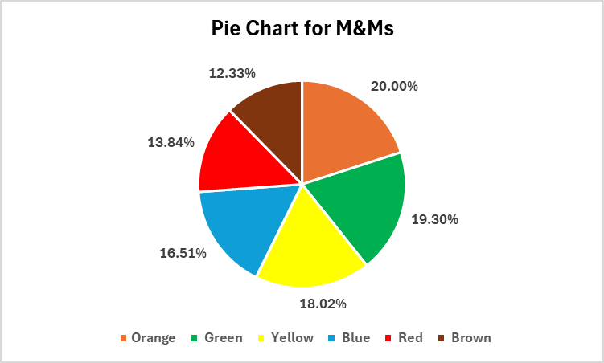
Sample 7 |  | 1 | 1 | 3 | 2 | 3 | 0
Sample 8 |  | 3 | 0 | 1 | 3 | 2 | 1
Sample 9 |  | 1 | 0 | 4 | 3 | 1 | 1
Sample 10 |  | 0 | 0 | 5 | 3 | 1 | 1
Sample 11 |  | 4 | 0 | 2 | 0 | 4 | 0
Sample 12 |  | 1 | 0 | 5 | 0 | 4 | 0
Sample 13 |  | 2 | 1 | 2 | 1 | 4 | 0
Sample 14 |  | 0 | 0 | 4 | 0 | 6 | 0
Sample 15 |  | 1 | 1 | 3 | 2 | 3 | 0
Sample 16 |  | 1 | 0 | 5 | 1 | 3 | 0
Sample 17 |  | 2 | 4 | 0 | 2 | 1 | 1
Sample 18 |  | 0 | 3 | 2 | 1 | 2 | 2
Sample 19 |  | 1 | 3 | 2 | 1 | 0 | 3
Sample 20 |  | 2 | 2 | 2 | 1 | 1 | 2
Sample 21 |  | 2 | 4 | 3 | 0 | 1 | 0
Sample 22 |  | 5 | 2 | 1 | 1 | 1 | 0
Sample 23 |  | 3 | 2 | 2 | 2 | 0 | 1
Sample 24 |  | 3 | 1 | 4 | 0 | 1 | 1
Sample 25 |  | 2 | 3 | 1 | 0 | 2 | 2
Sample 26 |  | 3 | 0 | 2 | 0 | 1 | 4
Sample 27 |  | 0 | 1 | 2 | 1 | 4 | 2
Sample 28 |  | 2 | 2 | 0 | 3 | 1 | 2
Sample 29 |  | 1 | 1 | 5 | 0 | 2 | 1
Sample 30 |  | 2 | 0 | 3 | 2 | 1 | 2
Sample 31 |  | 2 | 3 | 2 | 0 | 1 | 2
Sample 32 |  | 3 | 0 | 2 | 1 | 3 | 1
Sample 33 |  | 5 | 0 | 2 | 1 | 1 | 1
Sample 34 |  | 1 | 1 | 2 | 2 | 2 | 2
Sample 35 |  | 1 | 1 | 3 | 2 | 1 | 2
Sample 36 |  | 3 | 0 | 4 | 1 | 1 | 1
Sample 37 |  | 2 | 1 | 2 | 1 | 1 | 3
Sample 38 |  | 3 | 2 | 2 | 1 | 1 | 1
Sample 39 |  | 1 | 4 | 1 | 1 | 2 | 1
Sample 40 |  | 1 | 3 | 2 | 1 | 2 | 1
Sample 41 |  | 1 | 6 | 1 | 1 | 0 | 1
Sample 42 |  | 4 | 1 | 1 | 3 | 1 | 0
Sample 43 |  | 2 | 1 | 0 | 1 | 3 | 3
Sample 44 |  | 2 | 2 | 3 | 1 | 0 | 2
Sample 45 |  | 1 | 4 | 1 | 1 | 1 | 2
Sample 46 |  | 3 | 1 | 2 | 2 | 1 | 1
Sample 47 |  | 1 | 3 | 2 | 1 | 1 | 2
Sample 48 |  | 3 | 0 | 1 | 2 | 3 | 1
Sample 49 |  | 1 | 1 | 1 | 4 | 2 | 1
Sample 50 |  | 1 | 4 | 2 | 1 | 1 | 1
Sample 51 |  | 1 | 2 | 2 | 1 | 1 | 3
Sample 52 |  | 1 | 4 | 0 | 2 | 1 | 2
Sample 53 |  | 2 | 2 | 3 | 1 | 2 | 0
Sample 54 |  | 2 | 0 | 2 | 3 | 2 | 1
Sample 55 |  | 0 | 2 | 0 | 4 | 4 | 0
Sample 56 |  | 5 | 1 | 2 | 1 | 1 | 0
Sample 57 |  | 4 | 1 | 1 | 1 | 3 | 0
Sample 58 |  | 2 | 1 | 2 | 1 | 4 | 0
Sample 59 |  | 0 | 0 | 3 | 2 | 4 | 1
Sample 60 |  | 3 | 1 | 0 | 2 | 3 | 1
Sample 61 |  | 1 | 1 | 2 | 5 | 1 | 0
Sample 62 |  | 0 | 1 | 2 | 6 | 1 | 0
Sample 63 |  | 1 | 1 | 1 | 3 | 4 | 0
Sample 64 |  | 3 | 0 | 4 | 1 | 2 | 0
Sample 65 |  | 2 | 1 | 2 | 1 | 1 | 3
Sample 66 |  | 1 | 0 | 2 | 3 | 2 | 2
Sample 67 |  | 1 | 1 | 2 | 2 | 2 | 2
Sample 68 |  | 1 | 2 | 3 | 0 | 2 | 2
Sample 69 |  | 3 | 3 | 1 | 1 | 1 | 1
Sample 70 |  | 1 | 0 | 3 | 4 | 1 | 1
Sample 71 |  | 1 | 1 | 3 | 3 | 0 | 2
Sample 72 |  | 1 | 6 | 0 | 0 | 0 | 3
Sample 73 |  | 1 | 2 | 1 | 1 | 2 | 3
Sample 74 |  | 0 | 1 | 0 | 2 | 5 | 2
Sample 75 |  | 2 | 2 | 0 | 2 | 1 | 3
Sample 76 |  | 1 | 1 | 1 | 4 | 2 | 1
Sample 77 |  | 0 | 1 | 2 | 3 | 2 | 2
Sample 78 |  | 1 | 0 | 2 | 4 | 2 | 1
Sample 79 |  | 2 | 0 | 0 | 3 | 3 | 2
Sample 80 |  | 1 | 3 | 2 | 4 | 0 | 0
Sample 81 |  | 1 | 0 | 2 | 3 | 3 | 1
Sample 82 |  | 2 | 2 | 1 | 4 | 0 | 1
Sample 83 |  | 2 | 1 | 1 | 4 | 1 | 1
Sample 84 |  | 1 | 1 | 1 | 3 | 3 | 1
Sample 85 |  | 1 | 1 | 3 | 2 | 3 | 0
Sample 86 |  | 0 | 3 | 2 | 1 | 2 | 2
 | Totals | 142 | 119 | 172 | 155 | 166 | 106
 |  | 16.51% | 13.84% | 20.00% | 18.02% | 19.30% | 12.33%

Descriptive Stats - Boxplot
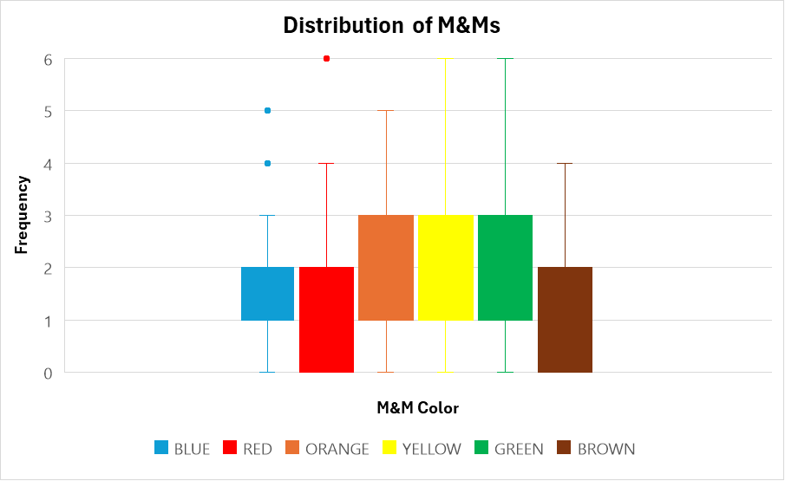
M&M | Min | Max | Range | Mode | Median | Mean | Std Dev | 1st Quartile | 3rd Quartile
BLUE | 0 | 5 | 0-5 | 1 | 1 | 1.6512 | 1.1888 | 1 | 2
RED | 0 | 6 | 0-6 | 1 | 1 | 1.3837 | 1.3907 | 0 | 2
ORANGE | 0 | 5 | 0-5 | 2 | 2 | 2.0000 | 1.2575 | 1 | 3
YELLOW | 0 | 6 | 0-6 | 1 | 1 | 1.8023 | 1.3013 | 1 | 3
GREEN | 0 | 6 | 0-6 | 1 | 2 | 1.9302 | 1.2921 | 1 | 3
BROWN | 0 | 4 | 0-4 | 1 | 1 | 1.2326 | 0.9962 | 0 | 2

